MARKOV E MTTF
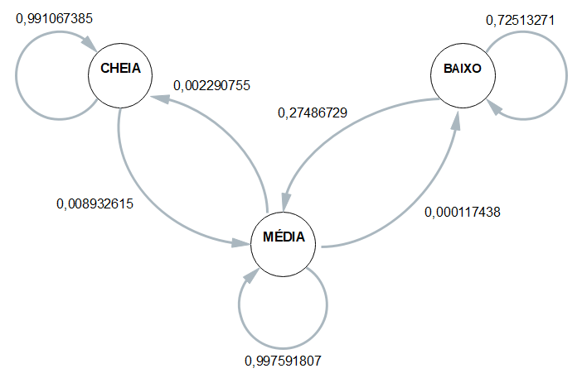
 | ESP1 | ESP2 | ESP3 | ESP4 | MÉDIA
CC | 0.99115044248 | 0.99122807018 | 0.99230769231 | 0.98958333333 | 0.99106738457
CM | 0.0088495575221 | 0.0087719298246 | 0.0076923076923 | 0.010416666667 | 0.0089326154264
CB | 0 | 0 | 0 | 0 | 0
 | 1 | 1 | 1 | 1 | 1
MC | 0.0025146689019 | 0.0011652295502 | 0.0019894675249 | 0.0034936531967 | 0.0022907547934
MM | 0.99736558496 | 0.99871824749 | 0.99789350497 | 0.9963898917 | 0.99759180728
MB | 0.00011974613819 | 0.00011652295502 | 0.00011702750146 | 0.00011645510656 | 0.00011743792531
 | 1 | 1 | 1 | 1 | 1
BC | 0 | 0 | 0 | 0 | 0
BM | 0.3772070626 | 0.15571776156 | 0.28541226216 | 0.28113207547 | 0.27486729045
BB | 0.6227929374 | 0.84428223844 | 0.71458773784 | 0.71886792453 | 0.72513270955

 | Esp1 | Esp2 | Esp3 | Esp4 |  | média
Hora Inicial | 16:28:06 | 16:33:09 | 16:37:23 | 16:41:36 |  | 16:35:04
Hora Limite 2,8 | 1900-01-01 08:29:16 | 1900-01-01 08:31:59 | 1900-01-01 08:39:23 | 1900-01-01 08:33:36 |  | 1900-01-01 08:33:33
Hora final | 1900-01-01 08:49:16 | 1900-01-01 08:53:39 | 1900-01-01 08:56:23 | 1900-01-01 08:54:56 | MTTF | 1900-01-01 08:53:33
total de horas até 2,8 | 16:01:10 | 15:58:50 | 16:02:00 | 15:52:00 | 15:58:30 | 15:58:30

